Results
Surrey and Sussex Masters Championships Results Ewell Court 4th June 2017

 | 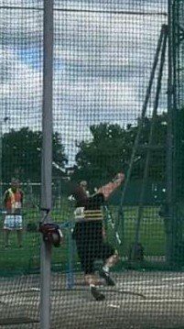

 | Mick Jones Sets British and European Record 69.04m

